BVT
Feature | BVT | Steps | Output | Chrome | Edge | Internet Explorer
1 | Basic Text Enhancer | Drag column to field. If the column has more than one row then apply basic filtering | Display basic text enhancer | 
2 | Change text color, text size and text transparency | 1. Go to formatting pane 2. Go to 'Text Settings' option 3. Update 'Text color' to yellow 4. Update 'Text Size' to '20' 5. Update 'Text transparency' | Text color and size must be updated. | 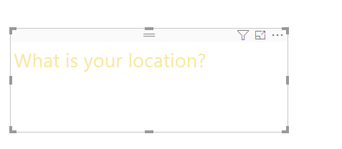
3 | Change the horizontal alignment and indentation | 1. Go to formatting pane 2. Go to 'Text Settings' option 3. Update 'Horizontal Alignment' to right 4. Update 'Horizontal Identation' to 20 | Alignment should change to right and identation must be updated | 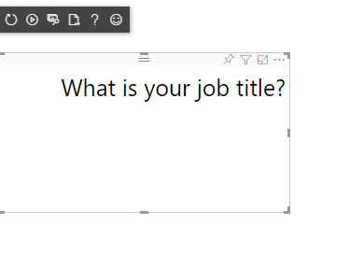 | 
4 | Change the horizontal alignment and indentation | 1. Go to formatting pane 2. Go to 'Text Settings' option 3. Update 'Vertical Alignment' to middle 4. Update 'Vertical Identation' to 20 | Alignment should change to middle and identation must be updated | 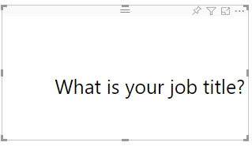
5 | Change the text direction, text perspective, text rotation angle, letter spacing, line spacing | 1. Go to formatting pane 2. Go to 'Text Settings' option 3. Update 'Text direction' to 'Vertical (R-L) 4. Update 'Text perspective' to 10% 5. Update 'Text rotation angle' to 20 6. Update 'Line spacing' to 2 7. Update 'Letter spacing' to '2' | 1. Text direction will be changed to vertical (R-L) 2. Text perspective change will be displayed 3. Text will be rotated by 20 4. Line and letter spacing will be 2 | 
6 | Change the skew axis X and Y angle | 1. Go to formatting pane 2. Go to 'Text Settings' option 3. Update 'Skew X-Axis (angle)' to 50 4. Update 'Skew Y-Axis (angle)' to 50 | 1. The axis will be rotated by 50 and 10 respectively, text is rotated acccordingly | 
7 | Add text to be added as Suffix/Prefix | 1. Go to formatting pane 2. Go to 'Suffix/Prefix Settings' option 3. Add text in 'Text to add' textbox 4. Update 'Text position' as 'Suffix' or 'Prefix' | 1. The text added in the 'Text to add' textbox will be dispalyed 2. If 'Prefix' is selected the text will be appended before the dynamic text 3. If 'Suffix' is selected the text will be appended after the dynamic text | 
8 | Change the text highlighter color, text transform, text shadow, text shadow color | 1. Go to formatting pane 2. Go to 'Suffix/Prefix' options 3. Change the text highlighter color to red and adjust the highlighter transparency to 50% 4. Change 'Text transform' to UPPERCASE 5. Change 'Shadow' to Top center 6. Change 'Shadow blur' to high | 1. Text is highlighted with red color 2. Text is changed to uppercase 3. Shadow blur 'high' is applied to top center of the text | 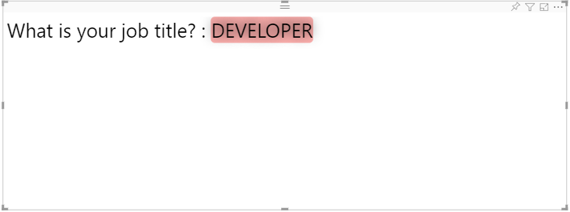
15 | Change the text highlighter color, text transform, text shadow, text shadow color | 1. Go to formatting pane 2. Go to 'Dynamic Settings' options 3. Change the text highlighter color to red and adjust the highlighter transparency to 50% 4. Change 'Text transform' to UPPERCASE 5. Change 'Shadow' to Top center 6. Change 'Shadow blur' to high | 1. Dynamic Text is highlighted with red color 2. Dynamic Text is changed to uppercase 3. Shadow blur 'high' is applied to top center of the text | 
17 | Change font family and style | 1. Go to formatting pane 2. Go to 'Dynamic Settings' options 3. Change the font family to Calibri 4. Turn toggle on for Bold, Italic, Underline, Overline, strikethrough | 1. Font family of dynmaic text should be changed to Calibri 2. Text should be bold, italic, underlined, overlined and striked out | 
18 | Add launch URL option | 1. Drag the URL column in "URL" data field. 2.Select the column, set Modelling ->Data Category as "Web URL" | Your text is now clickable and will be redirected to the URL specified.

